Cover
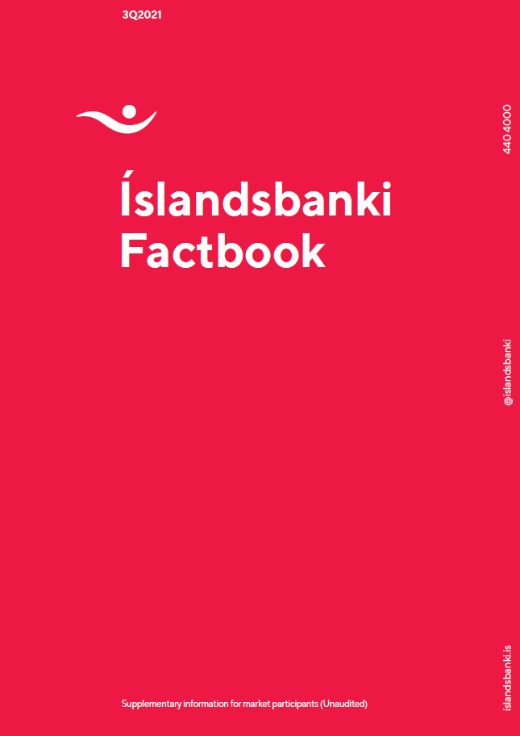

Financial Targets
Contents
Attractive and achievable financial targets
Updated targets define a clear path to ROE expansion, attractive capital return and optimisation

 | Financial | 3Q21 | 2Q21 | 2020 | Guidance
 | targets
Return on equity1 | 8-10% by 2023 >10% long-term | 15.7% | 11.6% | 3.7% | — Based on average expected risk-free rates through the business cycle
 |  |  |  |  | — The Bank has a clearly identified path to ROE improvements, supported by a clear action plan and economic recovery
 |  |  |  |  | — The Bank assumes the loan book will grow in line with nominal GDP on average through the business cycle
Cost-to-income ratio2 | <45% by 2023 | 39.4% | 49.9% | 54.3% | — The Bank continues to invest in IT infrastructure and process efficiency to improve the C/I ratio in the medium to long-term
 |  |  |  |  | — Costs to remain broadly flat over the next 3 years
CET1 capital ratio | >16% | 20.6% | 20.1% | 20.1% | — Based on current regulatory requirements and management buffer of 50-200bps, the CET1 target range is currently 13.7-15.2%
 |  |  |  |  | — The target assumes that the countercyclical buffer increases from 0% to 2% which will take effect from September 2022
 |  |  |  |  | — The Bank will start paying out a part of its excess capital in parallel with its ordinary dividend payable for the FY 2021 – the amount to be decided at that time
Total capital ratio | 18.3-19.8% | 24.7% | 22.9% | 23.0% | — Based on current regulatory requirements and management buffer of 50-200bps
 |  |  |  |  | — Long term target range is 19.5-21.0%, assuming that the countercyclical buffer increases from 0% to 2%, which will take effect from September 2022, and the COVID-19 effects on the Pillar 2-R requirements is reversed
 |  |  |  |  | — Íslandsbanki issued AT1 notes amounting to SEK 750m as part of its plan to optimise its capital structure. Further headroom for AT1 issuance remains ISK 6bn
Dividend payout ratio | c. 50% |  |  | 50% | — Target for annual regular dividend
 |  |  |  |  | — Excess capital to support further dividend payments, buybacks, and/or ROE enhancing growth
 |  |  |  |  | — Additional capital return to approach capital targets over the medium term

1. ROE excluding one-off cost is 12.6% for 2Q21, one-off cost for 2Q21 is 627m. 2. Calculated as (Administrative expenses + Contribution to the Depositors' and Investors' Guarantee Fund – One-off items) / (Total operating income – One-off items).
IPO costs in 1Q21 were not adjusted for in the 1Q21 results.

Ratings
Contents

Íslandsbanki S&P credit ratings

BBB/A-2 Stable Outlook
Rating Report 18 October 2021
In S&P’s latest report on Íslandsbanki, dated 18 October 2021, Íslandsbanki’s key strengths are stated as high leverage ratio and very strong capital, stable franchise and market position across all domestic business lines and limited wholesale financing needs. The rating agency views key risks as material exposure to tourism and commercial real estate (CRE), concentration in Iceland and exposure to the volatile domestic economy and unpredictable operating environment and strong competition, which could weigh on profitability prospects in S&P’s view.
S&P states that they could raise the Bank‘s ratings if it proves able to strengthen its returns, efficiency, and risk profile such they are significantly better than those of its domestic peers, with no further widening of the gap between the Bank and its foreign peers. They could lower the ratings on Íslandsbanki if the economic environment in Iceland becomes even more difficult, causing banks' profitability prospects to weaken for a prolonged period and Íslandsbanki's RAC ratio to decline below 15%.

Íslandsbanki | S&P | Icelandic sovereign | S&P | FITCH | MOODY'S
Long-term | BBB | Long-term | A | A | A-2
Short-term | A-2 | Short-term | A-1
Outlook | Stable | Outlook | Stable | Negative | Stable
Affirmed (date) | April 20 | Affirmed (date) | November 20 | September 21 | August 21

Disclaimer
Contents
Disclaimer

All information contained in this document should be regarded as preliminary and based on company data available. Due care and attention has been used in the preparation of forecast information. However, actual results may vary from their forecasts, and any variation may be materially positive or negative. Forecasts, by their very nature, are subject to uncertainty and contingencies, many of which are outside the control of Íslandsbanki.
Íslandsbanki cannot guarantee that the information contained herein is without fault or entirely accurate. The information in this material is based on sources that Íslandsbanki believes to be reliable. Íslandsbanki can however not guarantee that all information is correct. Furthermore, information and opinions may change without notice. Íslandsbanki is under no obligation to make amendments or changes to this publication if errors are found or opinions or information change. Íslandsbanki accepts no responsibility for the accuracy of its sources.
Íslandsbanki and its management may make certain statements that constitute “forward-looking statements". These statements can be identified by the fact that they do not relate strictly to historical or current facts. Forward-looking statements often use words such as “anticipates,” “targets,” “expects,” “estimates,” “intends,” “plans,” “goals,” “believes” and other similar expressions or future or conditional verbs such as “will,” “should,” “would” and “could.”
The forward-looking statements represent Íslandsbanki’s current expectations, plans or forecasts of its future results and revenues and beliefs held by the company at the time of publication. These statements are not guarantees of future results or performance and involve certain risks, uncertainties and assumptions that are difficult to predict and are often beyond Íslandsbanki’s control. Actual outcomes and results may differ materially from those expressed in, or implied by, any of these forward-looking statements.
Forward-looking statements speak only as of the date they are made, and Íslandsbanki undertakes no obligation to update any forward-looking statement to reflect the impact of circumstances or events that arise after the date the forward-looking statement was made.
Íslandsbanki does not assume any responsibility or liability for any reliance on any of the information contained herein. Íslandsbanki is the owner of all works of authorship including, but not limited to, all design, text, sound recordings, images and trademarks in this material unless otherwise explicitly stated. The use of Íslandsbanki’s material, works or trademarks is forbidden without written consent except were otherwise expressly stated. Furthermore, it is prohibited to publish material made or gathered by Íslandsbanki without written consent.

