Cover
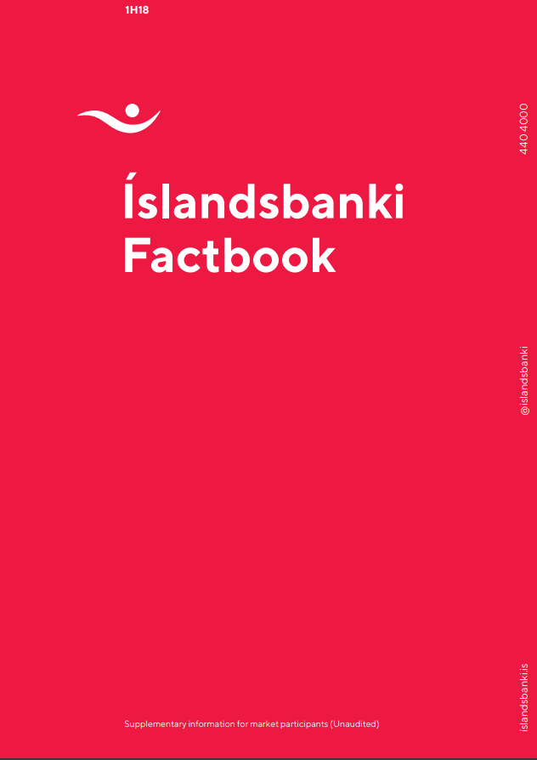
1Q18
1Q19

Financial Targets 2019
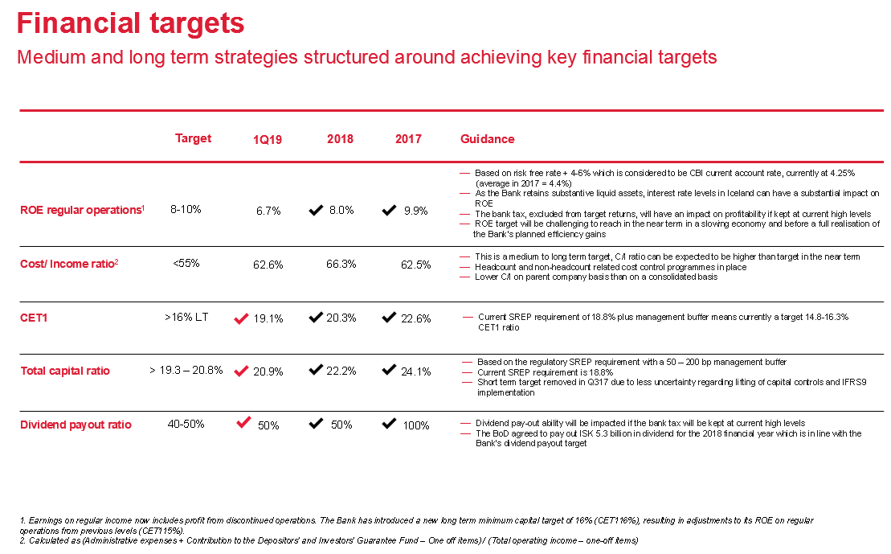
Contents

Ratings
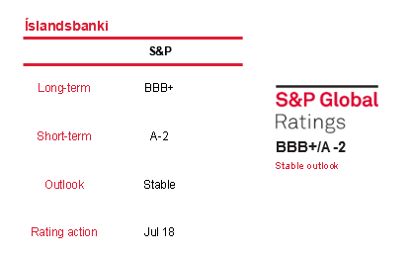
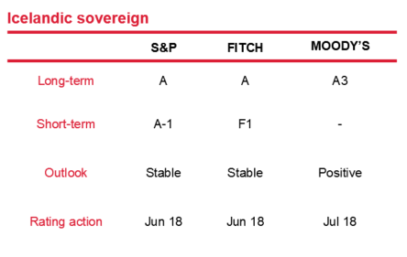
Íslandsbanki credit ratings

Ratings affirmed from S&P in mid-2018

S&P
BBB+/A-2 Stable Outlook
Press Release 17 July 2018
In July, S&P Global Ratings affirmed Íslandsbanki's ratings of BBB+/A-2 with a stable outlook along with three other Icelandic financial institutions. S&P had in October 2017 upgraded the Bank to this rating
In its press release, S&P notes that the rating actions take into account their view that economic growth in Iceland continues to support the banking sector, resulting in business growth and low default rates. This is balanced by their expectation of more challenging competitive and funding dynamics
S&P also comments that the stable outlook on Íslandsbanki reflects our expectation that the bank’s RAC ratio will remain sustainably above 15%, even while the bank prepares for an eventual sale or IPO over the next two years, and it optimises its capital base by paying extraordinary dividends and issuing capital instruments

Disclaimer
Contents
Disclaimer

All information contained in this document should be regarded as preliminary and based on company data available. Due care and attention has been used in the preparation of forecast information. However, actual results may vary from their forecasts, and any variation may be materially positive or negative. Forecasts, by their very nature, are subject to uncertainty and contingencies, many of which are outside the control of Íslandsbanki.
Íslandsbanki cannot guarantee that the information contained herein is without fault or entirely accurate. The information in this material is based on sources that Íslandsbanki believes to be reliable. Íslandsbanki can however not guarantee that all information is correct. Furthermore, information and opinions may change without notice. Íslandsbanki is under no obligation to make amendments or changes to this publication if errors are found or opinions or information change. Íslandsbanki accepts no responsibility for the accuracy of its sources.
Íslandsbanki and its management may make certain statements that constitute “forward-looking statements". These statements can be identified by the fact that they do not relate strictly to historical or current facts. Forward-looking statements often use words such as “anticipates,” “targets,” “expects,” “estimates,” “intends,” “plans,” “goals,” “believes” and other similar expressions or future or conditional verbs such as “will,” “should,” “would” and “could.”
The forward-looking statements represent Íslandsbanki’s current expectations, plans or forecasts of its future results and revenues and beliefs held by the company at the time of publication. These statements are not guarantees of future results or performance and involve certain risks, uncertainties and assumptions that are difficult to predict and are often beyond Íslandsbanki’s control. Actual outcomes and results may differ materially from those expressed in, or implied by, any of these forward-looking statements.
Forward-looking statements speak only as of the date they are made, and Íslandsbanki undertakes no obligation to update any forward-looking statement to reflect the impact of circumstances or events that arise after the date the forward-looking statement was made.
Íslandsbanki does not assume any responsibility or liability for any reliance on any of the information contained herein. Íslandsbanki is the owner of all works of authorship including, but not limited to, all design, text, sound recordings, images and trademarks in this material unless otherwise explicitly stated. The use of Íslandsbanki’s material, works or trademarks is forbidden without written consent except were otherwise expressly stated. Furthermore, it is prohibited to publish material made or gathered by Íslandsbanki without written consent.

