Cover
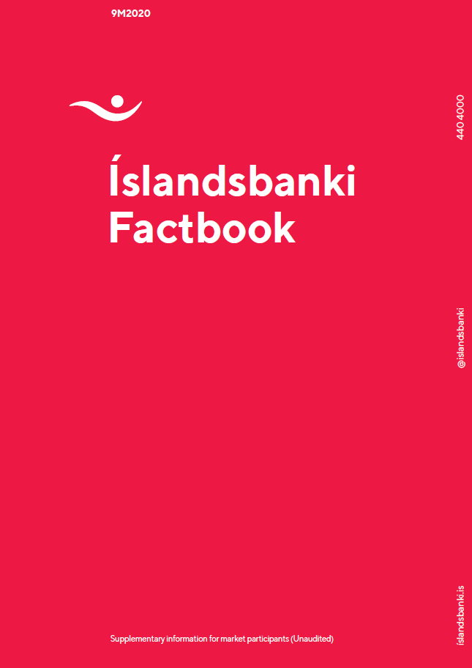

Financial Targets 2020
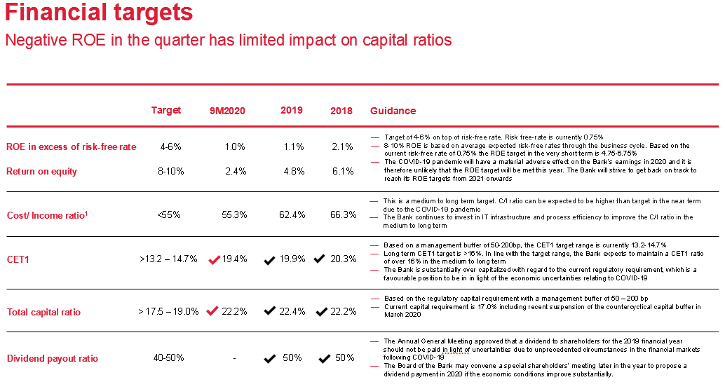
Contents

Ratings
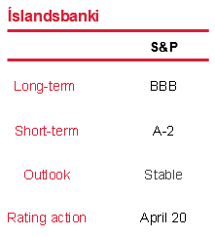
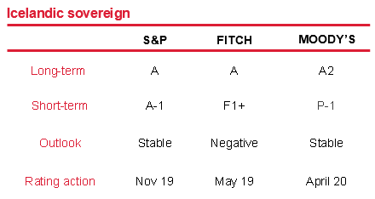
Contents
Íslandsbanki S&P credit ratings

Rating lowered in April 2020

BBB/A-2 Stable Outlook
Press Release 24 April 2020
In late April 2020 S&P lowered Íslandsbanki’s rating to BBB/A-2 with a stable outlook from previous BBB+/A-2 with a negative outlook
In its report, S&P expects Íslandsbanki to enter this crisis on a more solid foothold than the 2008 financial crisis. The 'BBB' rating level and stable outlook factor in the solid market position of the bank in Iceland, which has a relatively advanced digitalised banking platform. In S&P’s view, the bank is well ahead of many other European banks in its preparation for technological disruption. S&P also notes the Bank’s funding and liquidity metrics are adequate for the Bank’s risk profile, with comfortable liquidity ratios and liquid assets covering more than 3x the average short-term funding in 2019. Moreover, S&P states that the wholesale funding needs are limited in 2020, which coupled with the additional central bank liquidity facilities announced recently by the Icelandic Central Bank, eases pressure on liquidity needs
S&P’s rational for the change is mostly derived from its view that economic activity will reduce in Iceland and Europe in 2020 and thus could impair Íslandsbanki’s asset quality, increase credit losses, reduce business and revenue generation, and potentially erode its capital. S&P’s view is that Iceland’s operating environment will remain challenging, affected by the 2020 economic recession, declining interest rates, stiff competition from pension funds in mortgage lending and thus contributing to the declining profitability of the Bank

Disclaimer
Contents
Disclaimer

All information contained in this document should be regarded as preliminary and based on company data available. Due care and attention has been used in the preparation of forecast information. However, actual results may vary from their forecasts, and any variation may be materially positive or negative. Forecasts, by their very nature, are subject to uncertainty and contingencies, many of which are outside the control of Íslandsbanki.
Íslandsbanki cannot guarantee that the information contained herein is without fault or entirely accurate. The information in this material is based on sources that Íslandsbanki believes to be reliable. Íslandsbanki can however not guarantee that all information is correct. Furthermore, information and opinions may change without notice. Íslandsbanki is under no obligation to make amendments or changes to this publication if errors are found or opinions or information change. Íslandsbanki accepts no responsibility for the accuracy of its sources.
Íslandsbanki and its management may make certain statements that constitute “forward-looking statements". These statements can be identified by the fact that they do not relate strictly to historical or current facts. Forward-looking statements often use words such as “anticipates,” “targets,” “expects,” “estimates,” “intends,” “plans,” “goals,” “believes” and other similar expressions or future or conditional verbs such as “will,” “should,” “would” and “could.”
The forward-looking statements represent Íslandsbanki’s current expectations, plans or forecasts of its future results and revenues and beliefs held by the company at the time of publication. These statements are not guarantees of future results or performance and involve certain risks, uncertainties and assumptions that are difficult to predict and are often beyond Íslandsbanki’s control. Actual outcomes and results may differ materially from those expressed in, or implied by, any of these forward-looking statements.
Forward-looking statements speak only as of the date they are made, and Íslandsbanki undertakes no obligation to update any forward-looking statement to reflect the impact of circumstances or events that arise after the date the forward-looking statement was made.
Íslandsbanki does not assume any responsibility or liability for any reliance on any of the information contained herein. Íslandsbanki is the owner of all works of authorship including, but not limited to, all design, text, sound recordings, images and trademarks in this material unless otherwise explicitly stated. The use of Íslandsbanki’s material, works or trademarks is forbidden without written consent except were otherwise expressly stated. Furthermore, it is prohibited to publish material made or gathered by Íslandsbanki without written consent.

